Source
compete.com

Sports
Unique Visitors for espn.go.com from 04/2008 to 04/2009

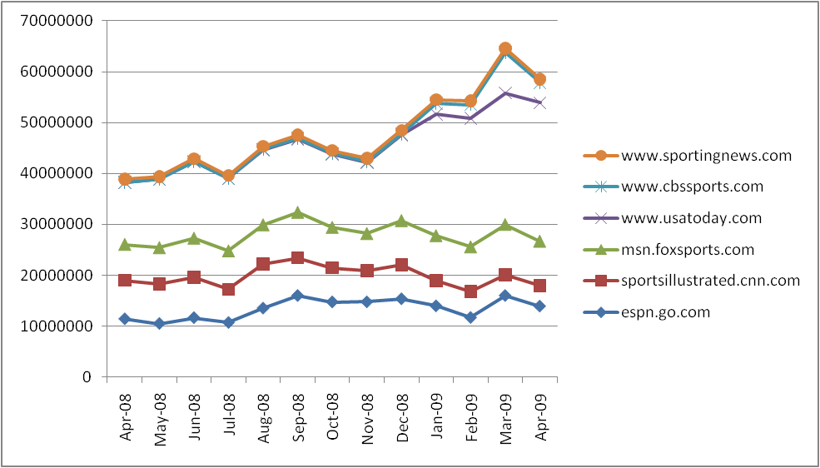
Date | Unique Visitors
Apr-09 | 13916164
Mar-09 | 16021133
Feb-09 | 11659279
Jan-09 | 13972794
Dec-08 | 15368125
Nov-08 | 14765956
Oct-08 | 14753972
Sep-08 | 16022477
Aug-08 | 13515175
Jul-08 | 10668708
Jun-08 | 11636460
May-08 | 10477205
Apr-08 | 11400038

Unique Visitors for sportsillustrated.cnn.com from 04/2008 to 04/2009

Date | Unique Visitors
Apr-09 | 4010484
Mar-09 | 4018398
Feb-09 | 5144857
Jan-09 | 4919633
Dec-08 | 6667398
Nov-08 | 6118082
Oct-08 | 6701237
Sep-08 | 7380811
Aug-08 | 8676162
Jul-08 | 6569648
Jun-08 | 7931447
May-08 | 7797138
Apr-08 | 7604351

Unique Visitors for msn.foxsports.com from 04/2008 to 04/2009

Date | Unique Visitors
Apr-09 | 8735441
Mar-09 | 9897363
Feb-09 | 8754011
Jan-09 | 8850715
Dec-08 | 8662798
Nov-08 | 7293531
Oct-08 | 7908236
Sep-08 | 8908866
Aug-08 | 7670544
Jul-08 | 7519878
Jun-08 | 7682120
May-08 | 7134098
Apr-08 | 7027528

Unique Visitors for www.usatoday.com from 04/2008 to 04/2009

Date | Unique Visitors
Apr-09 | 27239837
Mar-09 | 25890640
Feb-09 | 25305766
Jan-09 | 23893473
Dec-08 | 16863156
Nov-08 | 14005815
Oct-08 | 14435035
Sep-08 | 14483646
Aug-08 | 14773530
Jul-08 | 14220229
Jun-08 | 15030400
May-08 | 13437946
Apr-08 | 12173495

Unique Visitors for www.cbssports.com from 04/2008 to 04/2009

Date | Unique Visitors
Apr-09 | 3960489
Mar-09 | 7966945
Feb-09 | 2662638
Jan-09 | 2156959
Dec-08 | 124426
Nov-08 | 109617
Oct-08 | 96595
Sep-08 | 107791
Aug-08 | 71329
Jul-08 | 33082
Jun-08 | 32931
May-08 | 22799
Apr-08 | 55244

Unique Visitors for www.sportingnews.com from 04/2008 to 04/2009

Date | Unique Visitors
Apr-09 | 638234
Mar-09 | 780121
Feb-09 | 729631
Jan-09 | 727046
Dec-08 | 795395
Nov-08 | 693072
Oct-08 | 637410
Sep-08 | 698128
Aug-08 | 643751
Jul-08 | 616108
Jun-08 | 611069
May-08 | 489170
Apr-08 | 619737

News
Unique Visitors for www.cnn.com from 04/2008 to 04/2009

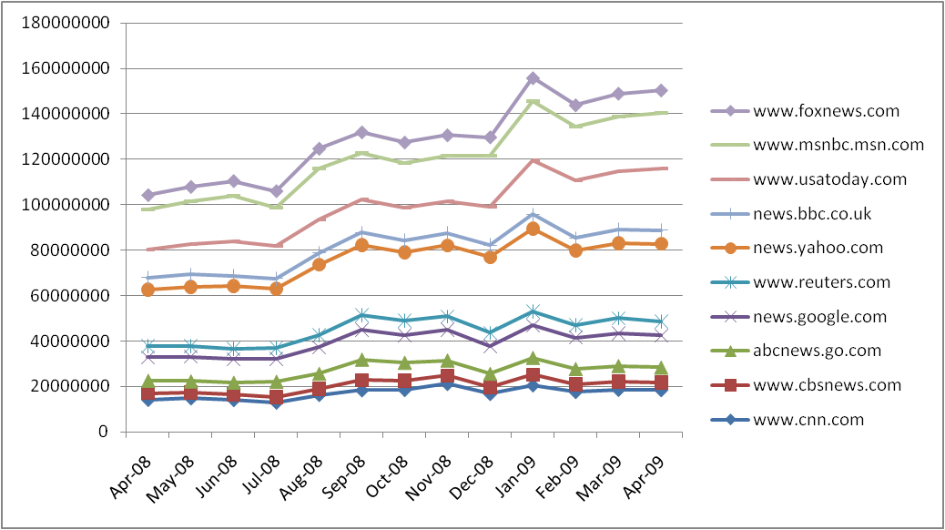
Date | Unique Visitors
Apr-09 | 18422887
Mar-09 | 18551301
Feb-09 | 17592341
Jan-09 | 20556395
Dec-08 | 16754887
Nov-08 | 21176342
Oct-08 | 18513894
Sep-08 | 18364805
Aug-08 | 16300859
Jul-08 | 12886794
Jun-08 | 14034319
May-08 | 14782019
Apr-08 | 14134374

Unique Visitors for www.cbsnews.com from 04/2008 to 04/2009

Date | Unique Visitors
Apr-09 | 3340261
Mar-09 | 3614231
Feb-09 | 3389538
Jan-09 | 4624042
Dec-08 | 2899023
Nov-08 | 3609626
Oct-08 | 4109334
Sep-08 | 4419180
Aug-08 | 2731211
Jul-08 | 2445855
Jun-08 | 2563220
May-08 | 2603796
Apr-08 | 2939447

Unique Visitors for abcnews.go.com from 04/2008 to 04/2009

Date | Unique Visitors
Apr-09 | 6655132
Mar-09 | 6930570
Feb-09 | 6823150
Jan-09 | 7507910
Dec-08 | 6015770
Nov-08 | 6739196
Oct-08 | 7901545
Sep-08 | 9112205
Aug-08 | 6653414
Jul-08 | 6912830
Jun-08 | 5182858
May-08 | 4957084
Apr-08 | 5582683

Unique Visitors for news.google.com from 04/2008 to 04/2009

Date | Unique Visitors
Apr-09 | 13979762
Mar-09 | 14274290
Feb-09 | 13749930
Jan-09 | 14177627
Dec-08 | 12122108
Nov-08 | 13356759
Oct-08 | 12138223
Sep-08 | 13137355
Aug-08 | 11557585
Jul-08 | 9910283
Jun-08 | 10242696
May-08 | 10748088
Apr-08 | 10130310

Unique Visitors for www.reuters.com from 04/2008 to 04/2009

Date | Unique Visitors
Apr-09 | 6085138
Mar-09 | 6630002
Feb-09 | 5483949
Jan-09 | 6188933
Dec-08 | 5856151
Nov-08 | 5919506
Oct-08 | 6329945
Sep-08 | 6331780
Aug-08 | 5321181
Jul-08 | 4743444
Jun-08 | 4592270
May-08 | 4658290
Apr-08 | 5046203

Unique Visitors for news.yahoo.com from 04/2008 to 04/2009

Date | Unique Visitors
Apr-09 | 34321284
Mar-09 | 33125308
Feb-09 | 32800838
Jan-09 | 36517130
Dec-08 | 33222165
Nov-08 | 31272786
Oct-08 | 29983373
Sep-08 | 30990895
Aug-08 | 31058064
Jul-08 | 26160610
Jun-08 | 27580054
May-08 | 26122709
Apr-08 | 24881084

Unique Visitors for news.bbc.co.uk from 04/2008 to 04/2009

Date | Unique Visitors
Apr-09 | 6032250
Mar-09 | 5910870
Feb-09 | 5433982
Jan-09 | 6160754
Dec-08 | 5390850
Nov-08 | 5373445
Oct-08 | 5207246
Sep-08 | 5362480
Aug-08 | 5175627
Jul-08 | 4426531
Jun-08 | 4624464
May-08 | 5407965
Apr-08 | 5227209

Unique Visitors for www.usatoday.com from 04/2008 to 04/2009

Date | Unique Visitors
Apr-09 | 27239837
Mar-09 | 25890640
Feb-09 | 25305766
Jan-09 | 23893473
Dec-08 | 16863156
Nov-08 | 14005815
Oct-08 | 14435035
Sep-08 | 14483646
Aug-08 | 14773530
Jul-08 | 14220229
Jun-08 | 15030400
May-08 | 13437946
Apr-08 | 12173495

Unique Visitors for www.msnbc.msn.com from 04/2008 to 04/2009

Date | Unique Visitors
Apr-09 | 24343710
Mar-09 | 23967599
Feb-09 | 23630530
Jan-09 | 25960790
Dec-08 | 22295961
Nov-08 | 20194409
Oct-08 | 19852957
Sep-08 | 20663697
Aug-08 | 22462736
Jul-08 | 17106121
Jun-08 | 19879046
May-08 | 18668868
Apr-08 | 17633301

Unique Visitors for www.foxnews.com from 04/2008 to 04/2009

Date | Unique Visitors
Apr-09 | 10004949
Mar-09 | 10093148
Feb-09 | 9639102
Jan-09 | 10249448
Dec-08 | 8267522
Nov-08 | 8931524
Oct-08 | 8927264
Sep-08 | 9040970
Aug-08 | 8634852
Jul-08 | 7109331
Jun-08 | 6628056
May-08 | 6388042
Apr-08 | 6377316

